Taulukko1
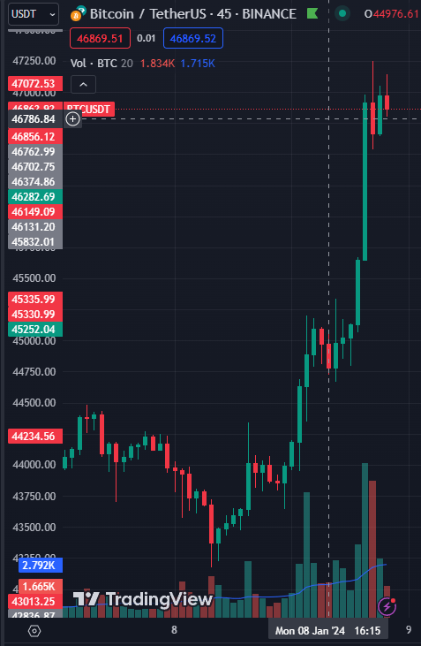
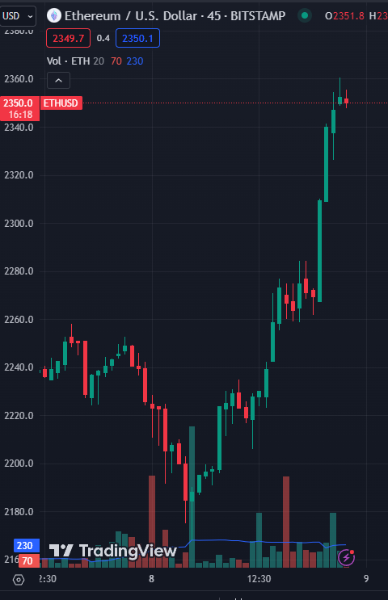
Trading Analysis

8.1.24 Monday | On the Morning BTC started rallying up bc of the upcoming highly likely approval of BTC ETF.

 | Pretty much every single alt coin (except total shitcoins/scams) have gone up with the BTC and ETH

 | Monday 5:00 UTC +2 , BTC $43 335 to 22.42: BTC $46954

